1
1. Provide the list of markets in which customer "Atliq Exclusive" operates its business in the APAC region.

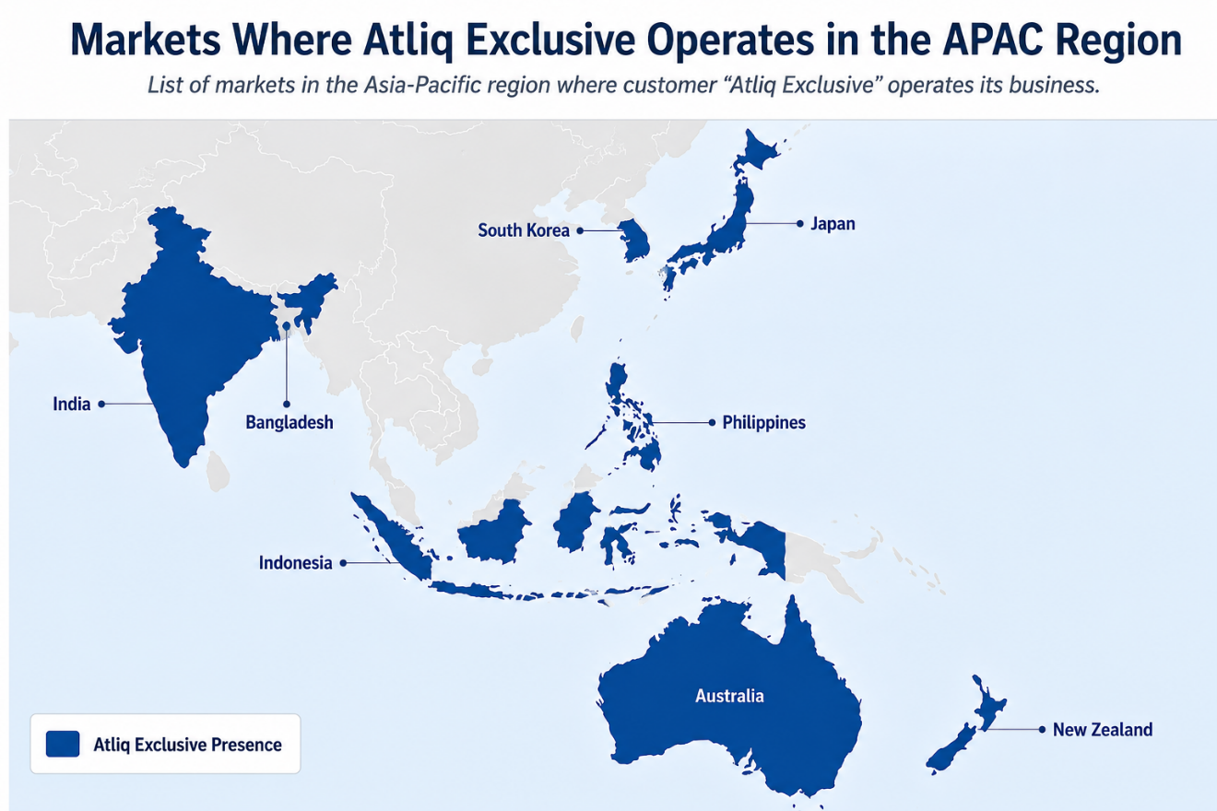
 | Market
 | India
 | Indonesia
 | Japan
 | Philiphines
 | South Korea
 | Australia
 | Newzealand
 | Bangladesh

2
2. What is the percentage of unique product increase in 2021 vs. 2020?

Count of Unique Products (2020 vs 2021)
 | unique_product_2020 | unique_products_2021 | percentage_chg
 | 245 | 334 | 36.33

3
3. Provide a report with all the unique product counts for each segment and sort them in descending order of product counts.

Product Count by Segment
Unique Segment | product_count
Notebook | 129
Accessories | 116
Peripherals | 84
Desktop | 32
Storage | 27
Networking | 9

4
4. Follow-up: Which segment had the most increase in unique products in 2021 vs 2020?

Segementwise Unique Products Comparison (2021 vs 2020)
segment | product_count_2021 | product_count_2020 | diffrence
Accessories | 103 | 69 | 34
Peripherals | 75 | 59 | 16
Notebook | 108 | 92 | 16
Desktop | 22 | 7 | 15
Storage | 17 | 12 | 5
Networking | 9 | 6 | 3

7
7. Get the complete report of the Gross sales amount for the customer “Atliq Exclusive” for each month

Gross Sales Amount by each month
fiscal_year | month | Sum of gross_sales_amount
2018 | September | 2.35M
 | October | 2.46M
 | November | 3.77M
 | December | 2.39M
 | January | 2.29M
 | February | 1.99M
 | March | 2.22M
 | April | 1.39M
 | May | 2.31M
 | June | 1.98M
 | July | 2.22M
 | August | 1.50M
2019 | September | 7.86M
 | October | 8.50M
 | November | 12.36M
 | December | 8.36M
 | January | 7.61M
 | February | 6.22M
 | March | 7.31M
 | April | 4.68M
 | May | 7.80M
 | June | 6.58M
 | July | 7.30M
 | August | 4.63M
2020 | September | 17.04M
 | October | 19.48M
 | November | 28.51M
 | December | 18.32M
 | January | 18.01M
 | February | 15.17M
 | March | 1.42M
 | April | 1.49M
 | May | 2.97M
 | June | 6.45M
 | July | 9.69M
 | August | 10.60M
2021 | September | 37.75M
 | October | 40.44M
 | November | 62.30M
 | December | 39.31M
 | January | 37.70M
 | February | 30.85M
 | March | 36.97M
 | April | 22.15M
 | May | 37.04M
 | June | 29.89M
 | July | 36.68M
 | August | 21.84M
2022 | September | 153.60M
 | October | 159.24M
 | November | 259.11M
 | December | 161.73M

8
8. In which quarter of 2020, got the maximum total_sold_quantity?

Quarterwise Total Sold Quantity (FY-2020)

quarter_name | total_sold_quantity
Q1 | 7005619
Q2 | 6649642
Q4 | 5042541
Q3 | 2075087

9
9. Which channel helped to bring more gross sales in the fiscal year 2021 and the percentage of contribution?

% Gross Sales by Channels (FY-2021)

channels | gross_sales_mln | percentage
Retailer | 3708.46 | 73.21
Direct | 784.14 | 15.48
Distributor | 572.86 | 11.31

10
10. Get the Top 3 products in each division that have a high total_sold_quantity in the fiscal_year 2021?

Total Sold Quantity by Division and Product (FY-2021)
division | product_code | product | Sum of total_sold_quantity
N & S | A6720160103 | AQ Pen Drive 2 IN 1 | 701373
 | A6818160202 | AQ Pen Drive DRC | 688003
 | A6819160203 | AQ Pen Drive DRC | 676245
P & A | A2319150302 | AQ Gamers Ms | 428498
 | A2520150501 | AQ Maxima Ms | 419865
 | A2520150504 | AQ Maxima Ms | 419471
PC | A4218110202 | AQ Digit | 17434
 | A4218110208 | AQ Digit | 17275
 | A4319110306 | AQ Velocity | 17280
Grand Total |  |  | 3385444

